1. Title Page
[Custome Insight Project]

Project Name: Customer Insight Project
Date: 03/15/2024
Analyst Name: Daria

Contents:
Population Flow
Consistency checks
Wrangling steps
Column derivations
Visualizations
Recommendations

2. Population Flow
Title page

Population flow

Exclusion flag
Condition: max_order <
Obervations to be removed:
Final total count of order_products_all:

Orders_products_combined
Orders_products_merged
Orders_products_all

Total: 32434212
Total: 32434489
Total: 32434212

3. Consistency checks
 |  |  |  | Title page
Consistency checks

Dataset | Missing values | Missing values treatment | Duplicates
orders | 206209 missing entries for 'days since prior order' | missing entries replace with '0' | No dupicates found
products | 16 missing entries for product name | 16 rows removed | 5 duplicated full rows removed
orders_products_prior
customers

4. Wrangling steps
 |  |  |  | Title page
Wrangling steps

Columns dropped | Columns renamed | Columns' type changed | Comment/Reason
orders eval_set, aisle_id columns dropped |  |  | eval set not needed
 | orders column 'order_dow' renamed 'order_day_of_week' |  | clarity
 |  | orders columns 'order_id', 'user_id', 'order_number', 'order_day_of_week' changed to string | the data in these columns are text
 |  | products table columns 'department_id' changed to int8 and 'product_id' changed to int8 | decrease memory size
 |  | orders_products columns 'order_id', 'order_number', 'order_day_of_week', 'order_hour', 'days_since_prior_order', 'add_to_cart_order' and 'reordered' changed to int8 and 'user_id' and ' product_id' changed to int32 | decrease memory size
 | Customer 'Family status' to 'Marital Status' |  | clarity
 | Customer 'Surnam' to 'Last Name' |  | clarity
 |  | Customer columns 'user_id' and 'income' to int32, 'Age' and 'n_dependants' to int8 and 'date_joined' to datetime, 'First Name' to str, and 'gender', 'fam_status' and 'STATE' to category. | decrease memory size
Customer columns 'First Name' and 'Last Name' dropped |  |  | Security

5. Column derivations
 |  |  |  | Title page

Column derivations and aggregations

In this tab you should add tables below that the frequences of flags/label variables that you produced after deriving them. NB: don't do this for continuous variables, only for flags.
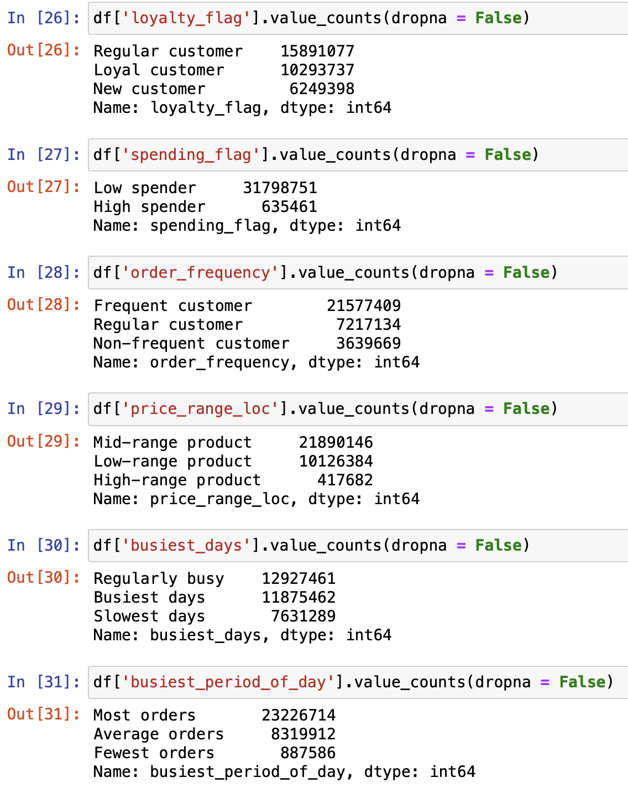
Dataset | New column | Column/s it was derived from | Conditions
final_full | Region | State | state within Region defined by United States Census Bureau*
final_full | Shopping Behavior | order hour | early bird: between 5a and 8a night owl: at or after 9p and before 5a regular: all other times
final_full | Lifestyle | income, fam_status | single, low-income: fam_status = 'single', 'divorced/widowed', or 'living with parents and siblings' and income <= 30000 single, middle-income: fam_status = 'single', 'divorced/widowed', or 'living with parents and siblings' and income > 30000 and <= 80000 single, high-income: fam_status = 'single', 'divorced/widowed', or 'living with parents and siblings' and income > 80000 married, low-income: fam_status = 'married' and income <= 60000 married, middle-income: fam_status = 'married' and income > 60000 and <= 160000 married, high-income: fam_status = 'married' and income > 160000
final_full | price_range_loc | prices | high-range product: price > 15 mid-range product: price > 5 and <= 15 low-range product: price <= 5
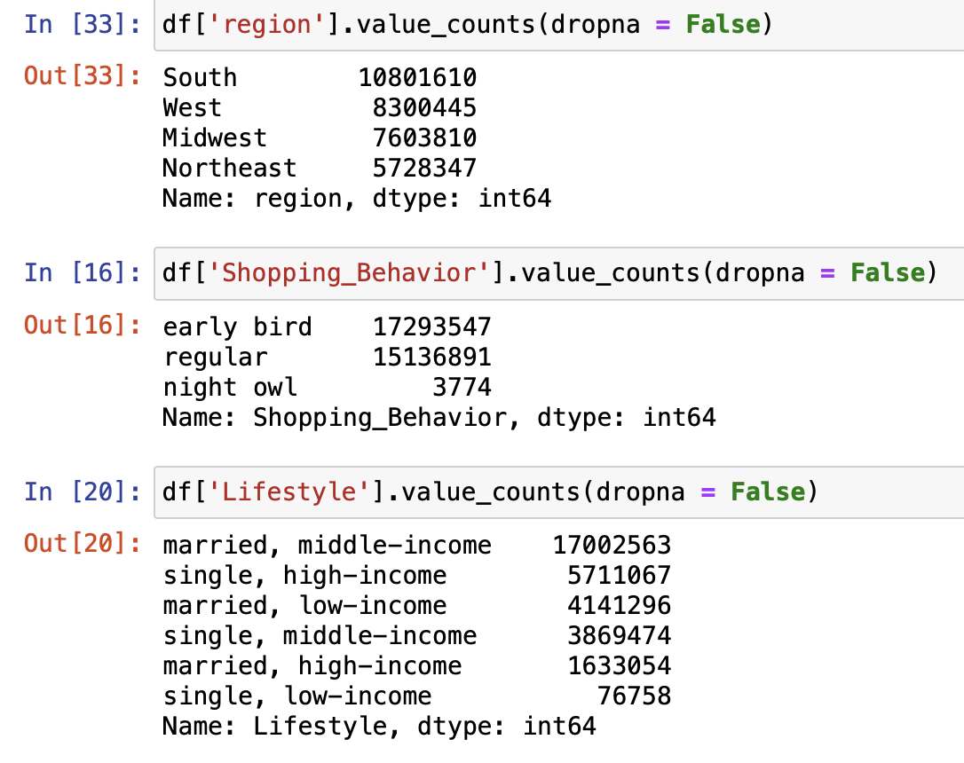
final_full | Busiest_Days | order_day_of_week | Busiest: order day of week is 0 (Sunday) or 1 (Monday) Regularly busy: order day of week is 2 (Tuesday), 5 (Friday) or 6 (Saturday) Slowest Days: order day of week is 3 (Wednesday) or 4 (Thursday)
final_full | Busiest _period_of_day | order_hour | most orders: order hour >= 9 and < 17 average orders: order hour is 7 or 8 least orders: order hour <= 6 or ==23
final_full | loyalty_flag | max_order | New customer: max order <= 10 Regular customer: > 10 and <= 40 Loyal customer: max order > 40
final_full | spending_flag | spending_mean | high spender: spending mean >= 10 low spender: spending mean < 10
final_full | frequency_flag | days_since_prior_order | non-frequent: days since prior order median > 20 regular: days since prior order median <= 20 and > 10 frequent: days since prior order median < = 10

*https://simple.wikipedia.org/wiki/List_of_regions_of_the_United_States

6. Visualizations and Recommend
 |  |  |  |  | Title page

Visualisations and Recommendations

Question 1. The sales team needs to know what the busiest days of the week and hours of the day are (i.e., the days and times with the most orders) in order to schedule ads at times when there are fewer orders.


 | Figure 1

 |  |  | Busiest Day of the Week
 |  |  | As it can be seen in figure 1, Saturday is the busiest day, followed by Sunday. The least busy day is Wednesday

 |  |  | 0 | Saturday
 |  |  | 1 | Sunday
 |  |  | 2 | Monday
 |  |  | 3 | Tuesday
 |  |  | 4 | Wednesday
 |  |  | 5 | Thursday
 |  |  | 6 | Friday



 | Figure 2 |  | Busiest Hour
 |  |  | As it can be seen in figure 2, peak hours are between 10AM-4PM, with 10AM as the busiest hour
 |  |  | The least busy hours are between 12AM and 6PM

 |  |  | Recommendation
 |  |  | Focus more ad placements on Wednesday and Thursday, as these are the slowest days. Advertising on these days may capture the attention of potential customers who are less likely to be browsing or ordering during the busiest days. Schedule ads primarily during the late night and early morning hours (midnight to 6 a.m.). Since these are the least busy times, it reduces the likelihood of ad saturation during peak ordering hours and may increase visibility among night owls or early risers.

Question 2: They also want to know whether there are particular times of the day when people spend the most money, as this might inform the type of products they advertise at these times.

 | Figure 3
 |  |  | Recommendation
 |  |  | Since people spend the most during the busiest hours, it’s a good strategy to focus on advertising higher-value or premium products during these times.

 |  | ?

Question 3: Instacart has a lot of products with different price tags. Marketing and sales want to use simpler price range groupings to help direct their efforts.

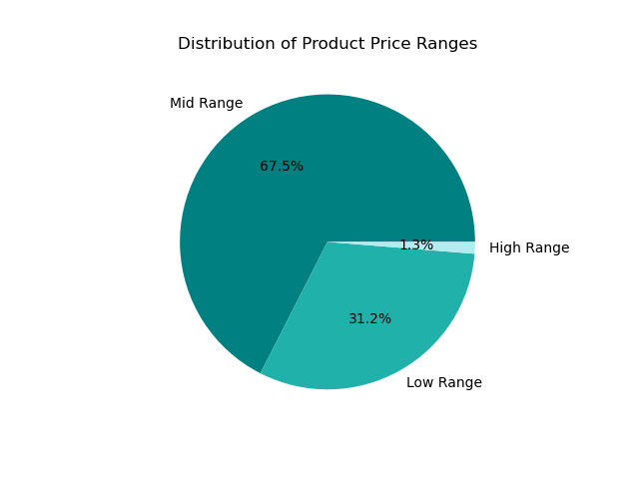
 | Figure 4
 |  |  | Product Price Range
 |  |  | The majority of products are mid-range 67.5%

 |  |  | Recommendation
 |  |  | Since the majority of products are mid-range, focus the bulk of marketing efforts on promoting these products. This could involve highlighting the best value-for-money aspects, showcasing popular items, or bundling them with related products. Ensure a higher stock of mid-range products, considering their popularity and demand.

Question 4: Are there certain types of products that are more popular than others? The marketing and sales teams want to know which departments have the highest frequency of product orders.

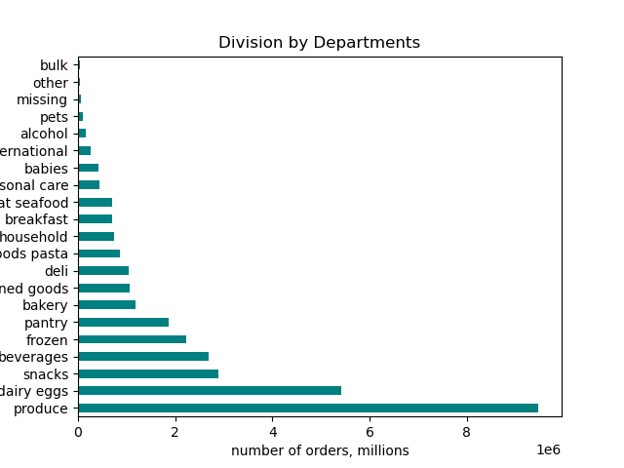
 | Figure 5
 |  |  | Departments
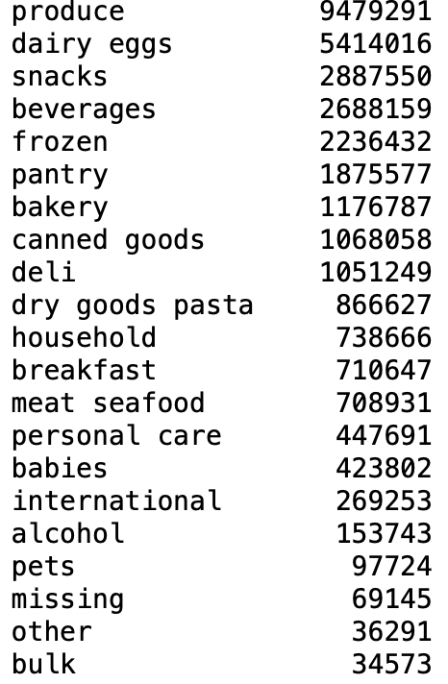

 |  |  | Recommendation
 |  |  | Allocate more marketing resources to promote products from the 'Produce' and 'Dairy' departments, as these are already popular.

Question 5: What’s the distribution among users in regards to their brand loyalty (i.e., how often do they return to Instacart)? Are there differences in ordering habits based on a customer’s loyalty status? Are there differences in ordering habits based on a customer’s region?

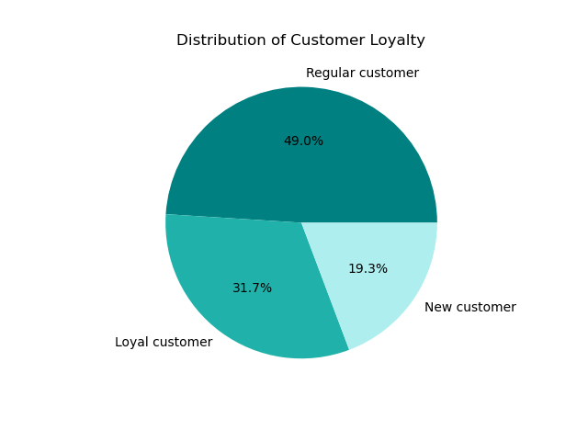
 | Figure 6
 |  |  | Recommendation
 |  |  | Since loyal customers Figure 8 have the highest return ratio, focus on retaining these customers with loyalty programs, exclusive offers, and personalized recommendations. Consider premium services or early access to new products as a token of appreciation for their loyalty. Implement strategies to convert regular customers into loyal ones through targeted promotions, incentives for frequent purchases, and engaging communication to deepen their connection with the brand. The goal for new customers should be to encourage repeat purchases and transition them into regular or loyal customers through welcome offers, first-time buyer discounts, and educational content about the benefits of the platform. Given that regional differences do not significantly impact the customer loyalty or the shopping patterns across the day of the week and hour of the day, the marketing and sales strategies can be standardized across regions.

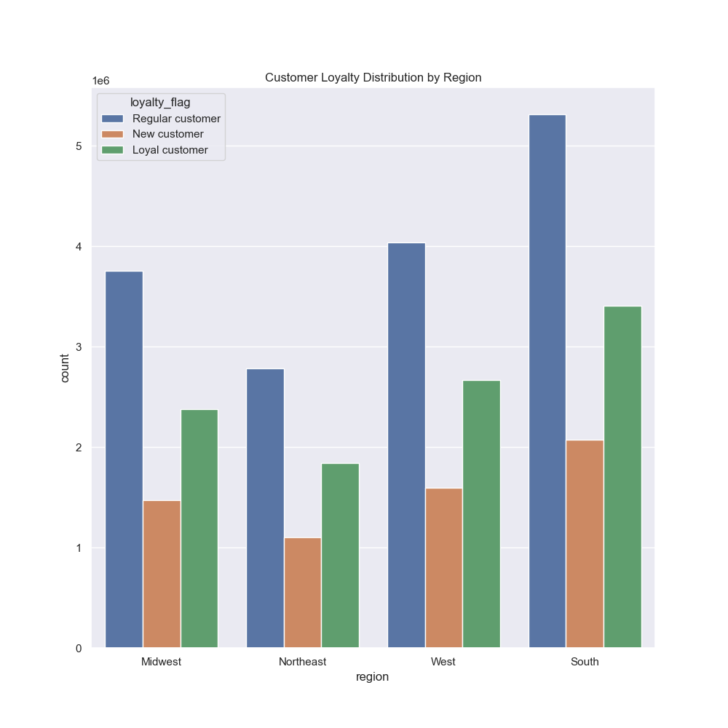
 | Figure 7 |  |  | Figure 8

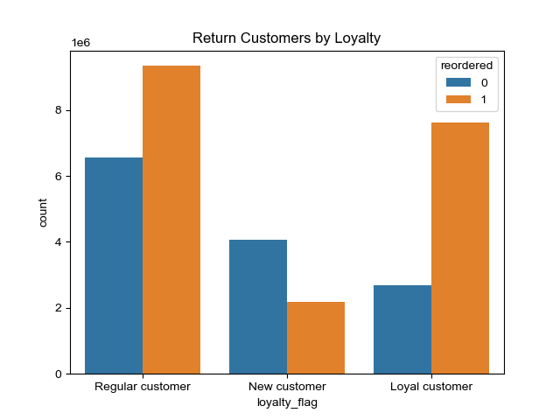

Question 6: Is there a connection between age and family status in terms of ordering habits? What different classifications does the demographic information suggest? Age? Income? Certain types of goods? Family status?

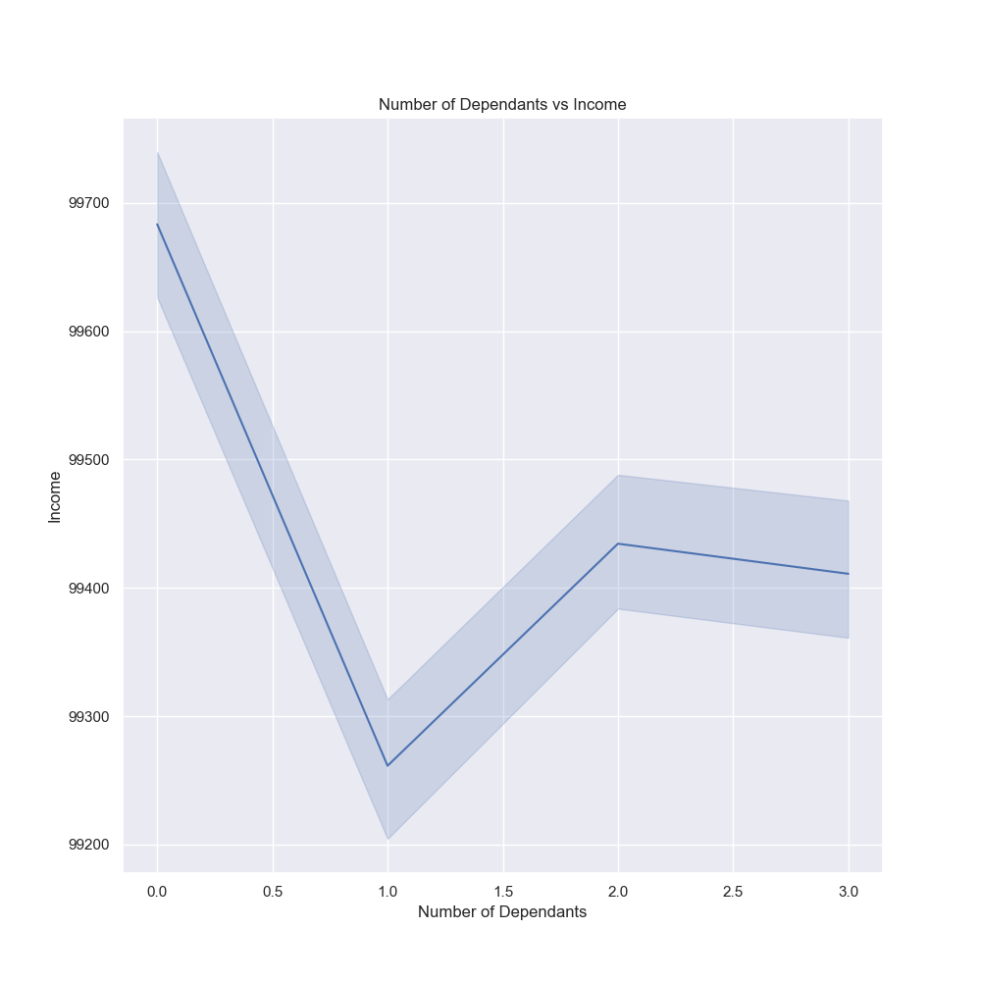
 | Figure 9
 |  |  | Recommendation
 |  |  | The scatterplot Figure 10 shows that the highest density of income across all ages is between 0.00− 200,000. Then the next income bracket is between 200,000 and 300,000 for the 40+ age group. Since income affects the average price spent per item, segment customers based on their income levels. Tailor marketing and promotional strategies to match these segments. For instance, market more premium, higher-priced items to the mid to high-income brackets, and more budget-friendly options to the lower-income groups.

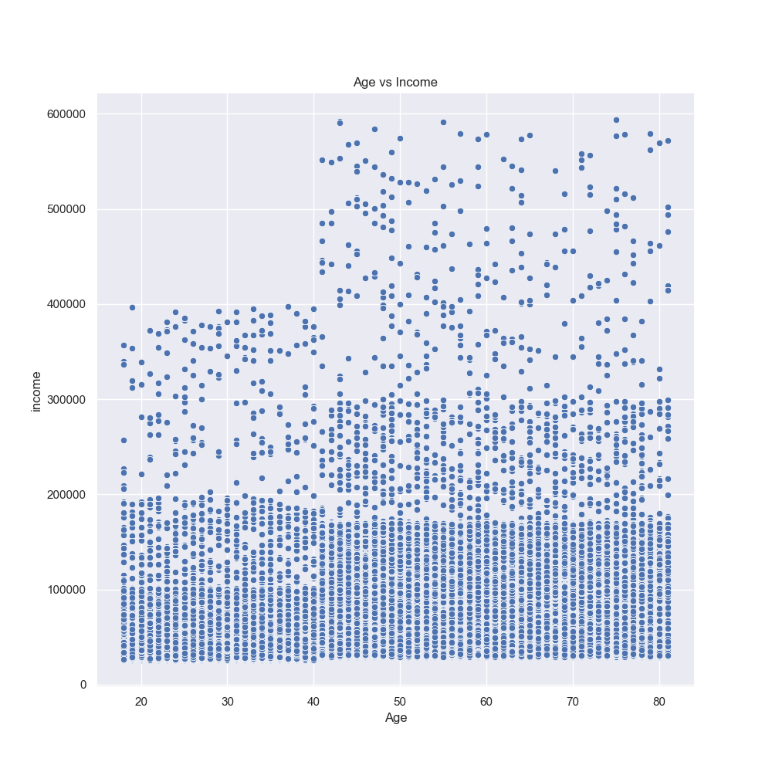

 | Figure 10 |  |  | Figure 11
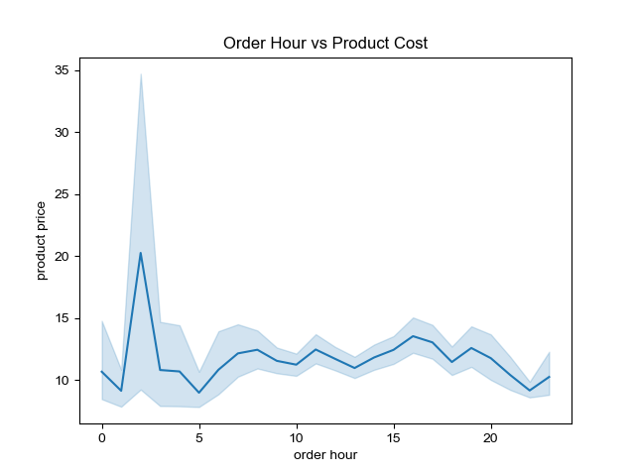

Question 7: What differences can you find in ordering habits of different customer profiles? Consider the price of orders, the frequency of orders, the products customers are ordering, and anything else you can think of.

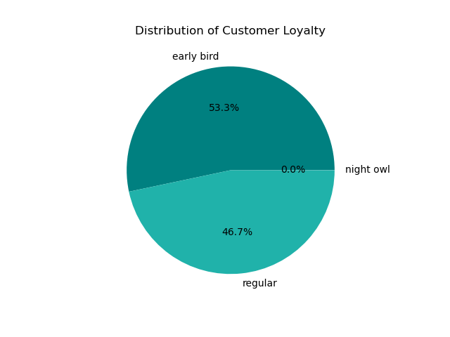
 | Figure 12
 |  |  | Recommendation
 |  |  | High- and middle-income buyers order most than low-income buyers regardless of marital status. Provide exclusive deals or loyalty rewards for the higher spending groups to retain and encourage their high spending habits. For low-income buyers, focus on budget-friendly and value-for-money products. For married, middle-income customers who order the most, highlight premium and family-oriented products. Since the distribution of order timing and lifestyle categories is consistent across regions, implement a universal marketing strategy that can be applied broadly, while still allowing room for local customization if needed.

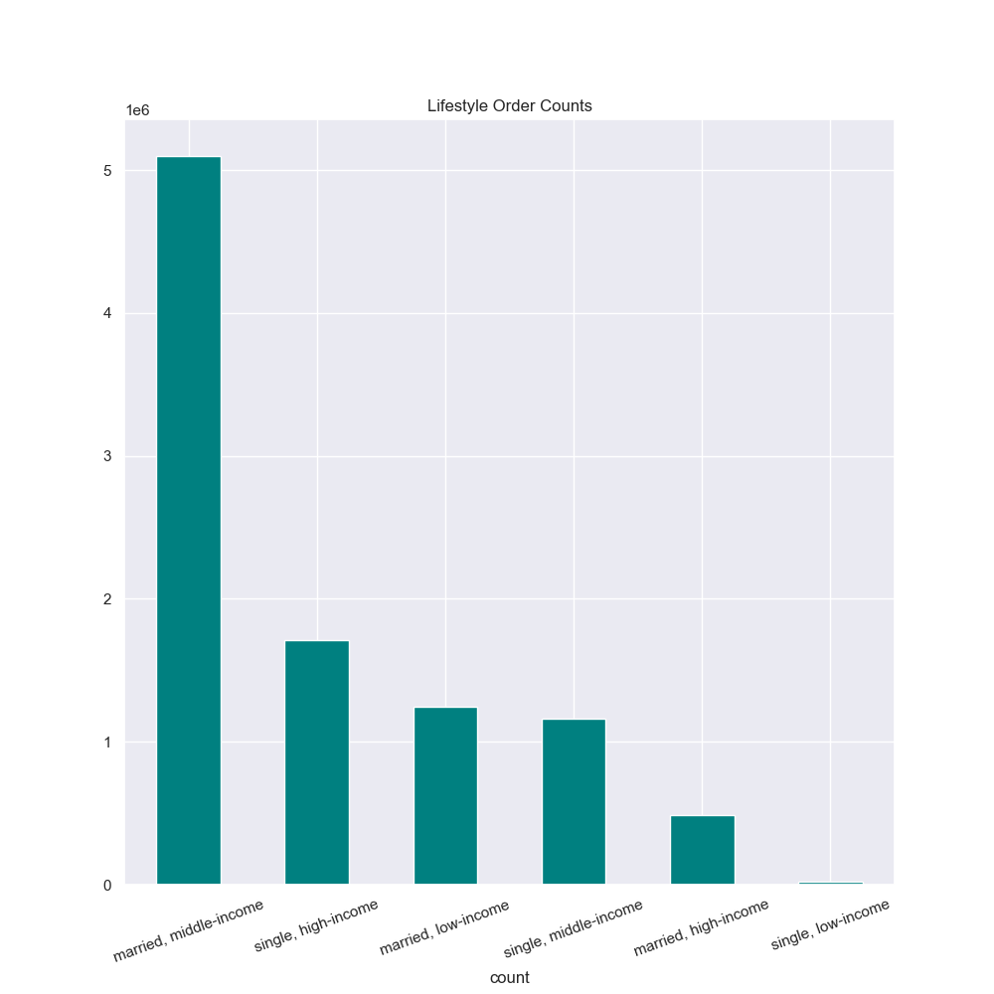
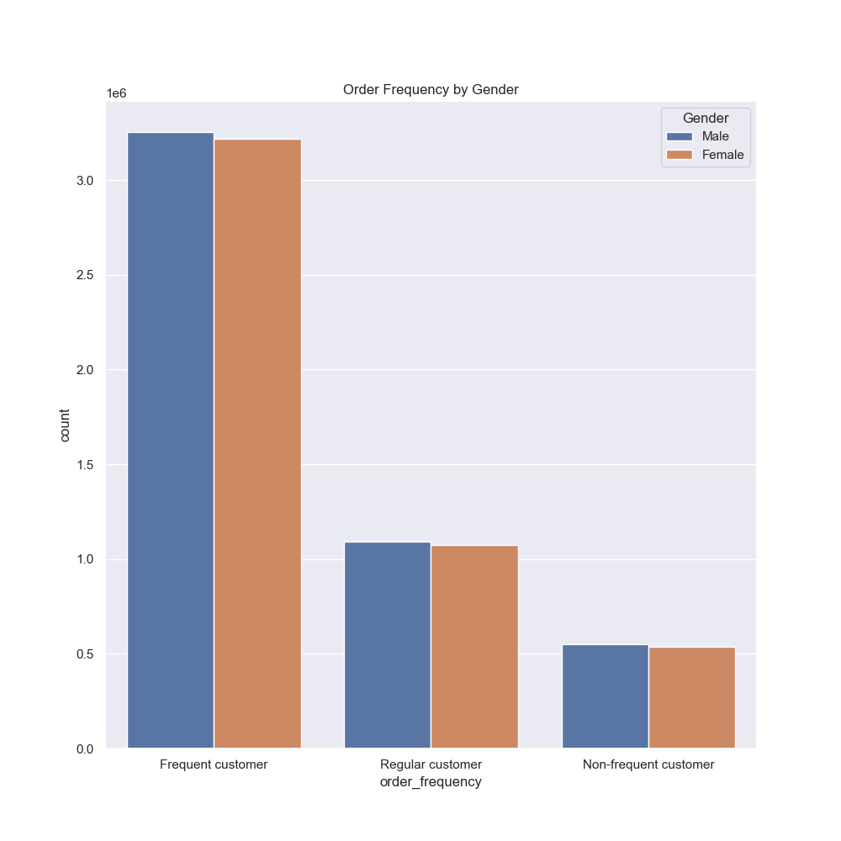

 | Figure 13 |  |  | Figure 14

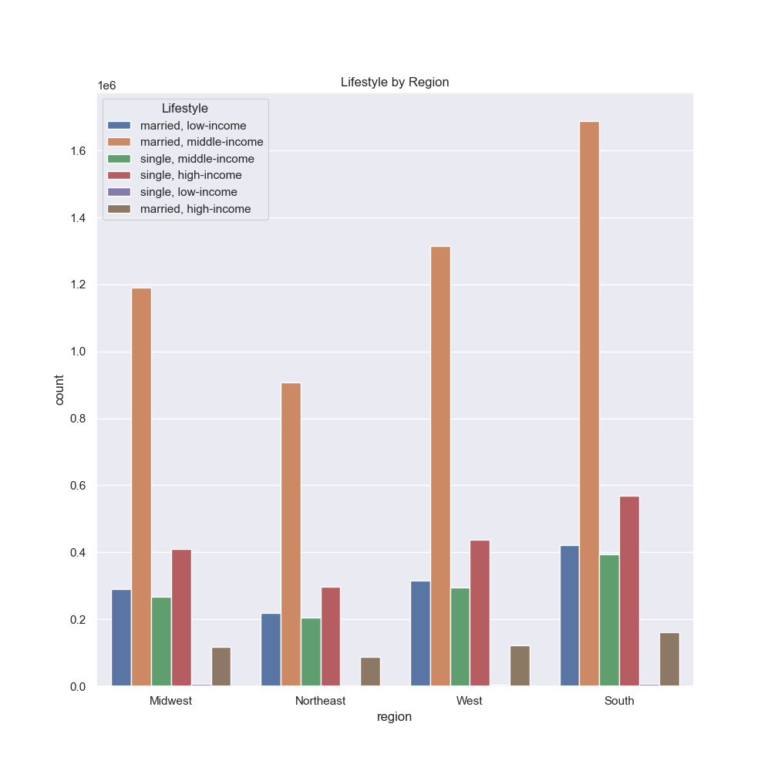
 | Figure 15

